Foglio1
IMAGE | SKU | BRAND | PRODUCT | GROUP | SEASON | GENDER | COLOR | COMPOSITION | DESC_EN | MADE_IN_CODE | WHL PRICE | RETAIL PRICE | TOTAL RETAIL | TOT.QTY | TU
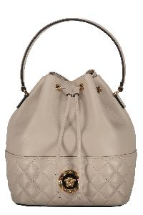 | 10117791A03912_1E99V | Versace | Bucket bag | Bags | FW | W | avorio | 60% CO 40% VI|100% LAMB LE | Lamb leather item; Drawstring closure; Internal pocket; Leather top handle; Removable leather and chain strap; Gold-tone metal hardware; Fabric lining; Width: 21 cm; Height: 26 cm; Depth: 15 cm; Strap: 70 cm; 60% Cotton, 40% Viscose, 100% Lamb | IT | 658.33 | € 1580.00 | € 36340.00 | 23 | 23
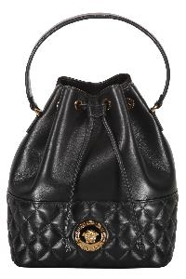 | 10117791A03912_1B00V | Versace | Bucket bag | Bags | FW | W | nero | 60% CO 40% VI|100% LAMB LE | Lamb leather item; Drawstring closure; Internal pocket; Leather top handle; Removable leather and chain strap; Gold-tone metal hardware; Fabric lining; Width: 21 cm; Height: 26 cm; Depth: 15 cm; Strap: 125 cm; 60% Cotton, 40% Viscose, 100% Lamb | IT | 658.33 | € 1580.00 | € 184860.00 | 117 | 117
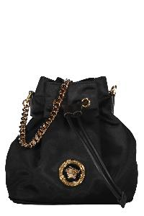 | 10028751A02155_1B00V | Versace | Bucket bag | Bags | FW | W | nero | 100% PA|100% LAMB LE | Leather details; Drawstring closure; Removable and adjustable strap; Gold-tone metal hardware; Fabric lining; Width: 18 cm; Height: 20 cm; Depth: 11 cm; Strap: 130 cm; 100% Calf, 100% Polyamide | IT | 364.58 | € 875.00 | € 113750.00 | 130 | 130
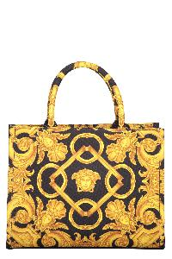 | 10145701A10399_5B00V | Versace | Canvas tote bag | Bags | FW | W | nero | 100% PL | Jacquard motif canvas item; Two rigid handles; Internal zippered pocket; Removable strap; Gold-tone metal hardware; Leather inserts; Cotton lining; Width: 28 cm; Height: 21 cm; Depth: 14 cm; Strap: 110 cm; 100% Polyester, 100% Leather, 100% Cotton | IT | 514.58 | € 1235.00 | € 164255.00 | 133 | 133
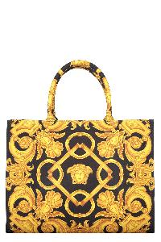 | 10145691A10399_5B00V | Versace | Canvas tote bag | Bags | FW | W | BLACK GOLD | 100% PL|100% LAMB LE | Jacquard motif canvas item; Two rigid handles; Internal zippered pocket; Removable strap; Gold-tone metal hardware; Leather inserts; Cotton lining; Width: 39 cm; Height: 29 cm; Depth: 17 cm; Strap: 105 cm; 100% Polyester, 100% Leather, 100% Cotton | IT | 585.42 | € 1405.00 | € 188270.00 | 134 | 134
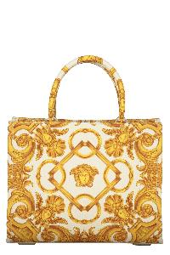 | 10145701A10399_2KM5V | Versace | Canvas tote bag | Bags | FW | W | avorio | 100% PL | Jacquard motif canvas item; Two rigid handles; Internal zippered pocket; Removable strap; Gold-tone metal hardware; Leather inserts; Cotton lining; Width: 28 cm; Height: 21 cm; Depth: 14 cm; Strap: 110 cm; 100% Polyester, 100% Leather, 100% Cotton | IT | 514.58 | € 1235.00 | € 171665.00 | 139 | 139
 | 10145691A10399_2KM5V | Versace | Canvas tote bag | Bags | FW | W | CHAMPAGNE GOLD | 100% PL|100% LAMB LE | Jacquard motif canvas item; Two rigid handles; Internal zippered pocket; Removable strap; Gold-tone metal hardware; Leather inserts; Cotton lining; Width: 39 cm; Height: 29 cm; Depth: 17 cm; Strap: 105 cm; 100% Polyester, 100% Leather, 100% Cotton | IT | 585.42 | € 1405.00 | € 196700.00 | 140 | 140
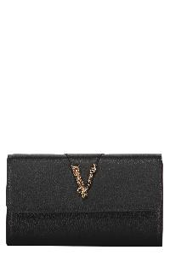 | 10062641A04093_1B00V | Versace | Leather clutch | Bags | FW | W | BLACK GOLD | 100% PA|100% LAMB LE | Calf leather item; Magnetic flap closure; Two internal compartments with central zippered pocket; Internal flat pocket; Ten card slots; Removable leather and chain strap; Gold-tone metal hardware; Fabric lining; Width: 21,5 cm; Height: 12,5 cm; Depth: 3 cm; Strap: 124,5 cm; 100% Calf, 100% Cotton | IT | 437.50 | € 1050.00 | € 141750.00 | 135 | 135
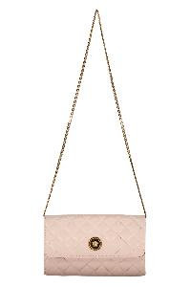 | DBSI159S1A03912_1PV4V | Versace | Leather clutch with logo | Bags | SS | W | PINK GOLD | 60% CO 40% VI|100% LAMB LE | Quilted leather item; Magnetic flap closure; Two internal compartments with central zippered pocket; Internal flat pocket; Ten card slots; Removable chain strap; Gold-tone metal hardware; Fabric lining; Width: 21,5 cm; Height: 12,5 cm; Depth: 3 cm; Strap: 96 cm; 100% Lamb, 40% Viscose, 60% Cotton | IT | 479.17 | € 1150.00 | € 96600.00 | 84 | 84
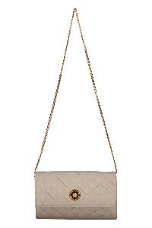 | DBSI159S1A03912_1E99V | Versace | Leather clutch with logo | Bags | FW | W | GREY GOLD | 60% CO 40% VI|100% LAMB LE | Quilted leather item; Magnetic flap closure; Two internal compartments with central zippered pocket; Internal flat pocket; Ten card slots; Removable chain strap; Gold-tone metal hardware; Fabric lining; Width: 21,5 cm; Height: 12,5 cm; Depth: 3 cm; Strap: 96 cm; 100% Lamb, 40% Viscose, 60% Cotton | IT | 479.17 | € 1150.00 | € 129950.00 | 113 | 113
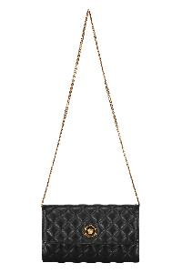 | DBSI159S1A03912_1B00V | Versace | Leather clutch with logo | Bags | FW | W | 1B00V | 60% CO 40% VI|100% LAMB LE | Quilted leather item; Magnetic flap closure; Two internal compartments with central zippered pocket; Internal flat pocket; Ten card slots; Removable chain strap; Gold-tone metal hardware; Fabric lining; Width: 21,5 cm; Height: 12,5 cm; Depth: 3 cm; Strap: 96 cm; 100% Lamb, 40% Viscose, 60% Cotton | IT | 479.17 | € 1150.00 | € 325450.00 | 283 | 283
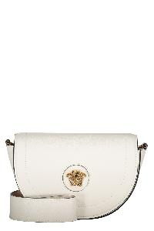 | 1013350DVIT2T_1W00V | Versace | Leather crossbody bag | Bags | FW | W | bianco | 100% CO|100% CALF LE | Pebbled calfskin item; Magnetic fastening flap; Adjustable and removable shoulder strap; Gold-tone metal hardware; Contrast color lining; Width: 22 cm; Height: 14 cm; Depth: 7 cm; Strap: 110 cm; 100% Cotton, 100% Calf | IT | 547.92 | € 1315.00 | € 15780.00 | 12 | 12
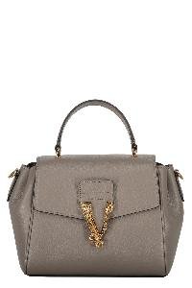 | 10155561A04093_1E69V | Versace | Leather crossbody bag | Bags | FW | W | tortora | 100% CO|100% CALF LE | Pebbled calfskin item; Closure with flap and press fasteners; Leather top handle; One card slot; Removable and adjustable leather shoulder strap; Gold-tone metal hardware; Contrast color lining; Width: 21 cm; Height: 18 cm; Depth: 10 cm; Strap: 70 cm; 100% Cotton, 100% Calf | IT | 643.75 | € 1545.00 | € 20085.00 | 13 | 13
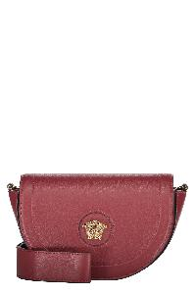 | 1013350DVIT2T_1R37V | Versace | Leather crossbody bag | Bags | FW | W | bordeaux | 100% CO|100% CALF LE | Pebbled calfskin item; Magnetic fastening flap; Adjustable and removable shoulder strap; Gold-tone metal hardware; Contrast color lining; Width: 22 cm; Height: 14 cm; Depth: 7 cm; Strap: 110 cm; 100% Cotton, 100% Calf | IT | 547.92 | € 1315.00 | € 19725.00 | 15 | 15
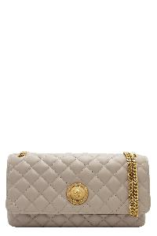 | 10133531A03912_1E99V | Versace | Leather crossbody bag | Bags | FW | W | avorio | 60% CO 40% VI|100% LAMB LE | Quilted leather item; Magnetic flap closure; One card slot; Sliding chain strap with leather shoulder pad; Gold-tone metal hardware; Fabric lining; Width: 26 cm; Height: 14 cm; Depth: 7 cm; Strap: 130 cm; 60% Cotton, 40% Viscose, 100% Lamb | IT | 658.33 | € 1580.00 | € 28440.00 | 18 | 18
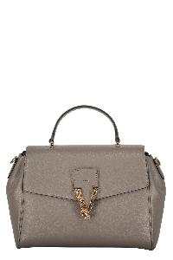 | 10133511A04093_1E69V | Versace | Leather crossbody bag | Bags | FW | W | tortora | 100% CO|100% CALF LE | Pebbled calfskin item; Closure with flap and press fasteners; Leather top handle; One card slot; Removable and adjustable leather shoulder strap; Gold-tone metal hardware; Cotton lining; Width: 28 cm; Height: 21 cm; Depth: 13 cm; Strap: 70 cm; 100% Cotton, 100% Calf | IT | 695.83 | € 1670.00 | € 35070.00 | 21 | 21
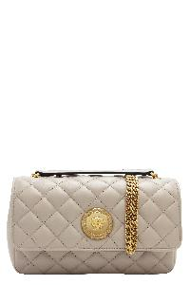 | 10133521A03912_1E99V | Versace | Leather crossbody bag | Bags | FW | W | avorio | 60% CO 40% VI|100% LAMB LE | Quilted leather item; Magnetic flap closure; One card slot; Sliding chain strap with leather shoulder pad; Gold-tone metal hardware; Fabric lining; Width: 20,5 cm; Height: 12,5 cm; Depth: 6 cm; Strap: 130 cm; 60% Cotton, 40% Viscose, 100% Lamb | IT | 585.42 | € 1405.00 | € 33720.00 | 24 | 24
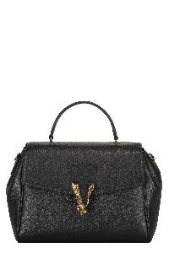 | 10133511A04093_1B00V | Versace | Leather crossbody bag | Bags | FW | W | nero | 100% CO|100% CALF LE | Pebbled calfskin item; Closure with flap and press fasteners; Leather top handle; One card slot; Removable and adjustable leather shoulder strap; Gold-tone metal hardware; Cotton lining; Width: 28 cm; Height: 21 cm; Depth: 13 cm; Strap: 70 cm; 100% Cotton, 100% Calf | IT | 695.83 | € 1670.00 | € 86840.00 | 52 | 52
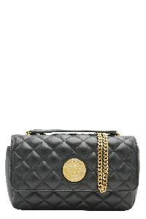 | 10133521A03912_1B00V | Versace | Leather crossbody bag | Bags | FW | W | nero | 60% CO 40% VI|100% LAMB LE | Quilted leather item; Magnetic flap closure; One card slot; Sliding chain strap with leather shoulder pad; Gold-tone metal hardware; Fabric lining; Width: 20,5 cm; Height: 12,5 cm; Depth: 6 cm; Strap: 130 cm; 60% Cotton, 40% Viscose, 100% Lamb | IT | 585.42 | € 1405.00 | € 73060.00 | 52 | 52
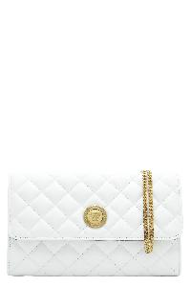 | DBSI159S1A03912_1W00V | Versace | Leather crossbody bag | Bags | SS | W | OPTICAL WHITE GOLD | 60% CO 40% VI|100% LAMB LE | Push-lock closure flap with metal logo; Two internal compartments with central zippered pocket; Internal flat pocket; Eight card slots; Gold-tone metal hardware; Fabric lining; Removable chain strap; Width: 23 cm; Height: 14 cm; Depth: 5 cm; Strap: 94 cm; 60% Cotton, 40% Viscose, 100% Lamb | IT | 479.17 | € 1150.00 | € 74750.00 | 65 | 65
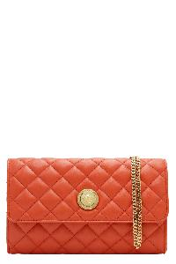 | DBSI159S1A03912_1RA8V | Versace | Leather crossbody bag | Bags | SS | W | CORALGOLD | 60% CO 40% VI|100% LAMB LE | Push-lock closure flap with metal logo; Two internal compartments with central zippered pocket; Internal flat pocket; Eight card slots; Gold-tone metal hardware; Fabric lining; Removable chain strap; Width: 23 cm; Height: 14 cm; Depth: 5 cm; Strap: 94 cm; 60% Cotton, 40% Viscose, 100% Lamb | IT | 479.17 | € 1150.00 | € 97750.00 | 85 | 85
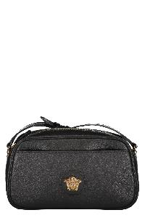 | 1014248DVIT2T_1B00V | Versace | Leather crossbody bag | Bags | FW | W | nero | 100% CO|100% CALF LE | Calf leather item; Top zippered closure; Front flat pocket; Internal flat pocket; Embossed metal logo; Leather adjustable strap; Gold-tone metal hardware; Fabric lining; Width: 24,5 cm; Height: 13,5 cm; Depth: 7 cm; Strap: 120 cm; 100% Cotton, 100% Calf | IT | 514.58 | € 1235.00 | € 113620.00 | 92 | 92
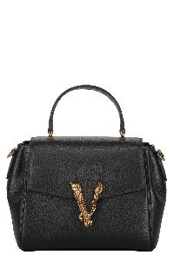 | 10155561A04093_1B00V | Versace | Leather crossbody bag | Bags | FW | W | nero | 100% CO|100% CALF LE | Pebbled calfskin item; Closure with flap and press fasteners; Leather top handle; One card slot; Removable and adjustable leather shoulder strap; Gold-tone metal hardware; Cotton lining; Width: 21 cm; Height: 18 cm; Depth: 10 cm; Strap: 70 cm; 100% Cotton, 100% Calf | IT | 643.75 | € 1545.00 | € 146775.00 | 95 | 95
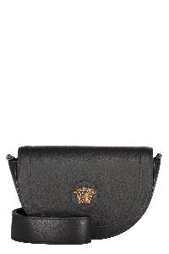 | 1013350DVIT2T_1B00V | Versace | Leather crossbody bag | Bags | FW | W | nero | 100% CO|100% CALF LE | Pebbled calfskin item; Magnetic fastening flap; Adjustable and removable shoulder strap; Gold-tone metal hardware; Contrast color lining; Width: 22 cm; Height: 14 cm; Depth: 7 cm; Strap: 110 cm; 100% Cotton, 100% Calf | IT | 547.92 | € 1315.00 | € 130185.00 | 99 | 99
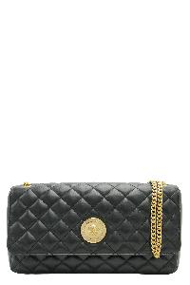 | 10133531A03912_1B00V | Versace | Leather crossbody bag | Bags | FW | W | nero | 60% CO 40% VI|100% LAMB LE | Quilted leather item; Magnetic flap closure; One card slot; Sliding chain strap with leather shoulder pad; Gold-tone metal hardware; Fabric lining; Width: 26 cm; Height: 14 cm; Depth: 7 cm; Strap: 130 cm; 60% Cotton, 40% Viscose, 100% Lamb | IT | 658.33 | € 1580.00 | € 176960.00 | 112 | 112
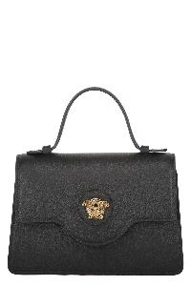 | 1015524DVIT2T_1B00V | Versace | Leather mini bag | Bags | FW | W | nero | 100% CO|100% CALF LE | Calf leather item; Push-lock closure flap with metal logo; One card slot; Leather top handle; Adjustable and removable leather shoulder strap; Gold-tone metal hardware; Fabric lining; Width: 19 cm; Height: 13,5 cm; Depth: 5,5 cm; Strap: 112 cm; 100% Calf, 100% Cotton | IT | 556.25 | € 1335.00 | € 160200.00 | 120 | 120
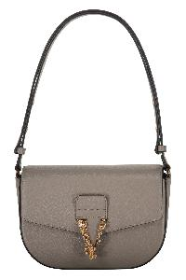 | 10142781A04093_1E69V | Versace | Leather shoulder bag | Bags | FW | W | tortora | 100% CO|100% CALF LE | Push-lock closure flap with metal logo; One card slot; Adjustable leather shoulder strap; Gold-tone metal hardware; Fabric lining; Width: 23 cm; Height: 15 cm; Depth: 5 cm; Strap: 70 cm; 100% Calf, 100% Cotton | IT | 585.42 | € 1405.00 | € 33720.00 | 24 | 24
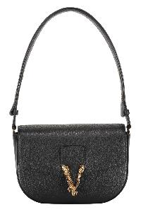 | 10142781A04093_1B00V | Versace | Leather shoulder bag | Bags | FW | W | BLACK GOLD | 100% CO|100% CALF LE | Push-lock closure flap with metal logo; One card slot; Adjustable leather shoulder strap; Gold-tone metal hardware; Fabric lining; Width: 23 cm; Height: 15 cm; Depth: 5 cm; Strap: 70 cm; 100% Calf, 100% Cotton | IT | 585.42 | € 1405.00 | € 148930.00 | 106 | 106
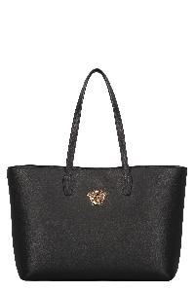 | 1015533DVIT2T_1B00V | Versace | Leather tote | Bags | FW | W | BLACK GOLD | 100% PL|100% CALF LE | Calf leather item; Two leather handles; Snap closure; Internal zippered pouch; Gold-tone metal hardware; Floral jacquard lining; Width: 37 cm; Height: 28 cm; Depth: 13 cm; 100% Calf, 100% Polyester | IT | 514.58 | € 1235.00 | € 70395.00 | 57 | 57
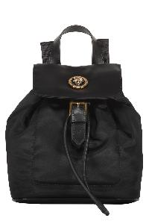 | 10137921A02155_1B00V | Versace | Logo detail nylon backpack | Bags | FW | W | BLACK GOLD | 100% PA|100% LAMB LE | Magnetic flap closure; Drawstring closure under the flap; Leather details; Internal flat pocket; Leather top handle; Two adjustable shoulder straps; Gold-tone metal hardware; Fabric lining; Width: 18 cm; Height: 19,5 cm; Depth: 11,5 cm; 100% Polyamide, 100% Calf | IT | 383.33 | € 920.00 | € 89240.00 | 97 | 97
 | 10028761A02155_1B00V | Versace | Logo detail nylon backpack | Bags | FW | W | nero | 100% PA | Magnetic flap closure; Drawstring closure under the flap; Leather details; Internal flat pocket; Front exterior zippered pocket; Fabric adjustable shoulder straps and handle; Gold-tone metal hardware; Fabric lining; Width: 24,5 cm; Height: 24,5 cm; Depth: 14 cm; 100% Polyamide, 100% Calf | IT | 437.50 | € 1050.00 | € 159600.00 | 152 | 152
 | 10155231A02155_1B00V | Versace | Nylon tote | Bags | FW | W | BLACK GOLD | 100% PA| 100% LAMB LE | Two fabric handles; Top zippered closure; Internal zippered pocket; Gold-tone metal hardware; Leather inserts; Nylon lining; Width: 43 cm; Height: 38 cm; Depth: 11 cm; Strap: 100 cm; 100% Polyamide, 100% Calf | IT | 479.17 | € 1150.00 | € 118450.00 | 103 | 103
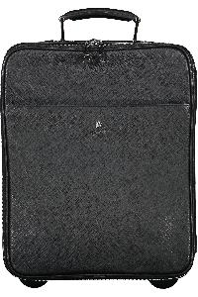 | DV04394DVSAN_D41E | Versace | Trolley | Bags | SS | M | D41E | 100% LE | Calf leather item; Width: 37 cm; Height: 45 cm; Depth: 19 cm; 100% Calf | IT | 1,212.50 | € 2910.00 | € 2910.00 | 1 | 1
 |  |  |  |  |  |  |  |  |  |  |  |  |  | 2846

